Sheet1
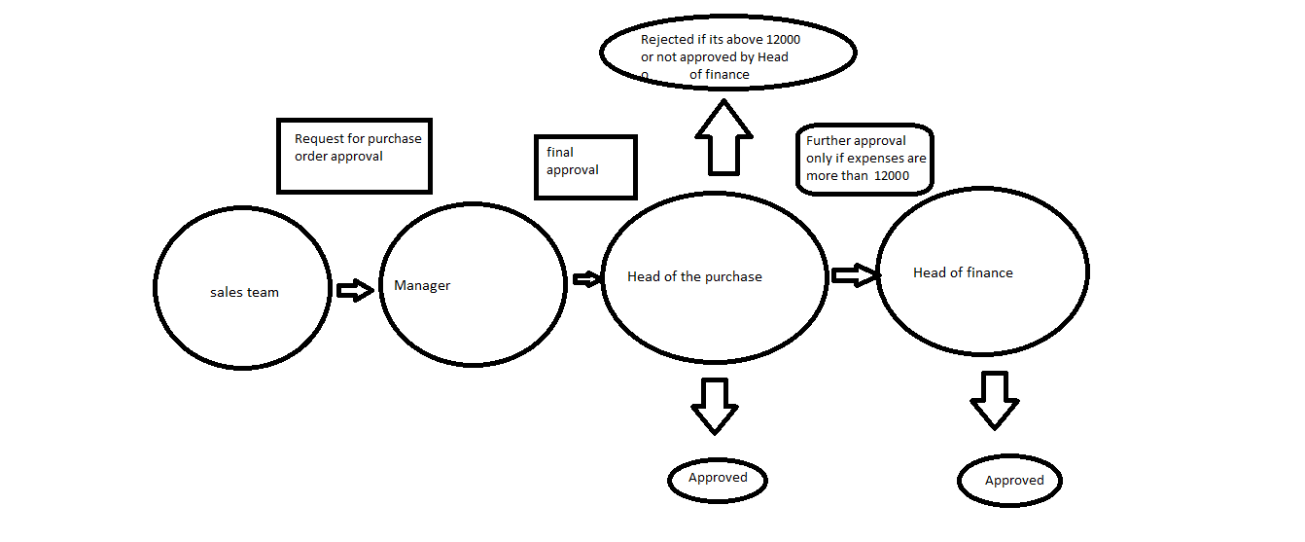
 | Name- Prashanth A Bhosale

 | Electricity bill
 | Base price/ rate | Additional usage charges |  | Total unit consumed | Total charges
 | Fixed | units consumed | Rate/Price
 | $40 | <=10 | No extra charges | - | $40
 | $40 | 11 to 20 | $1 per unit | $40+((15units) ((5units*1)) | $45
 | $40 | 21 to 40 | $2 per unit | $40+((22units) ((10*1)+(2*2)) | $54
 | $40 | >=40 | $5 per unit | $40+((41units) ((10*1)+(20*2)+(1*5)) | $95

 | Fixed savings | Interest Rate
 | Fixed | Duration | Interest
 | $10000 | 45 days | 8%
 | $10000 | >45days | 8.50%
 | $10000 | 1-3 yrs | 9.50%
 | $10000 | 3 yrs | 10.50%

 | units consumed | bva values
 | 1<unit<10 | 0,1,2,9,10
 | 11<unit<20 | 11,12,19,20
 | 21<unit<40 | 21,22,39,40
 | U>40 | 41

 |  |  | DECISION TABLE BY PRASHANTH A BHOSALE

Rules | R1 | R2 | R3 | R4 | R5 | R6 | R7 | R8 | R9 | R10 | R11 | R12 | R13 | R14 | R15 | R16 | R17 | R18 | R19 | R20 | R21 | R22 | R23 | R24 | R25 | R26 | R27 | R28 | R29 | R30 | R31 | R32
C1 | T | T | T | T | T | T | T | T | T | T | T | T | T | T | T | T | F | F | F | F | F | F | F | F | F | F | F | F | F | F | F | F
C2 | T | T | T | T | T | T | T | T | F | F | F | F | F | F | F | F | T | T | T | T | T | T | T | T | F | F | F | F | F | F | F | F
C3 | T | T | T | T | F | F | F | F | T | T | T | T | F | F | F | F | T | T | T | T | F | F | F | F | T | T | T | T | F | F | F | F
C4 | T | T | F | F | T | T | F | F | T | T | F | F | T | T | F | F | T | T | F | F | T | T | F | F | T | T | F | F | T | T | F | F
C5 | T | F | T | F | T | F | T | F | T | F | T | F | T | F | T | F | T | F | T | F | T | F | T | F | T | F | T | F | T | F | T | F
Result
EXCEPTIONB10:T11EB10:X12 | YES | YES |  |  |  |  |  |  | YES | YES |  |  |  |  |  |  | YES | YES |  |  |  |  |  |  | YES | YES
NO EXCEPTION |  |  | NO | NO | NO | NO | NO | NO |  |  | NO | NO | NO | NO | NO | NO |  |  | NO | NO | NO | NO | NO | NO |  |  | NO | NO | NO | NO | NO | NO

 |  |  |  | ORTHAGONAL ARRAY

 | Q) Construct an house with the below two given condition and expension-meals,tea etc for the worker must be paid by house owner himself during working hours.compare and pair the condition and provide us the best solution

 |  |  |  | A | B | C
 |  |  | LEVEL | Condition
 |  |  | TRIALS | COST | DURATION IN DAYS | MANPOWER
 |  |  | 1 | 1 LAKH | 45 DAYS | 7
 |  |  | 2 | 1.3 LAKHS | 30 DAYS | 10

 |  |  | FORMULA = | L8 2^3

 |  |  | WHERE L8 IS NO OF TRIALS 3 CONDITION

 |  |  | AIM- HOUSE SHOULD BE BUILT IN LESS COST,LESS DURATION,LESS MAN POWER

 |  |  |  | cost | Duration | Resource |  |  |  |  | cost | Duration | Resource
 |  |  |  | Condition |  |  |  |  |  |  | Parameters
 |  |  | Trials | A | B | C |  |  |  | Trials | A | B | C
 |  |  | 1 | 1 | 1 | 1 |  |  |  | 1 | 1 lakh | 45 days | 7
 |  |  | 2 | 1 | 1 | 2 |  | = |  | 2 | 1 lakh | 45 days | 10
 |  |  | 3 | 1 | 2 | 1 |  |  |  | 3 | 1 lakh | 30 days | 7
 |  |  | 4 | 1 | 2 | 2 |  |  |  | 4 | 1 lakh | 30 days | 10
 |  |  | 5 | 2 | 1 | 1 |  |  |  | 5 | 1.3 lakh | 45 days | 7
 |  |  | 6 | 2 | 1 | 2 |  |  |  | 6 | 1.3 lakh | 45 days | 10
 |  |  | 7 | 2 | 2 | 1 |  |  |  | 7 | 1.3 lakh | 30 days | 7
 |  |  | 8 | 2 | 2 | 2 |  |  |  | 8 | 1.3 lakh | 30 days | 10

 |  |  |  |  | BEST SOL- | A1 | B2 | A1
 |  |  |  |  |  | 1 lakh | 30 days | 7

